STEP 3 Threat Model Diagram
Add Threat Model diagram here

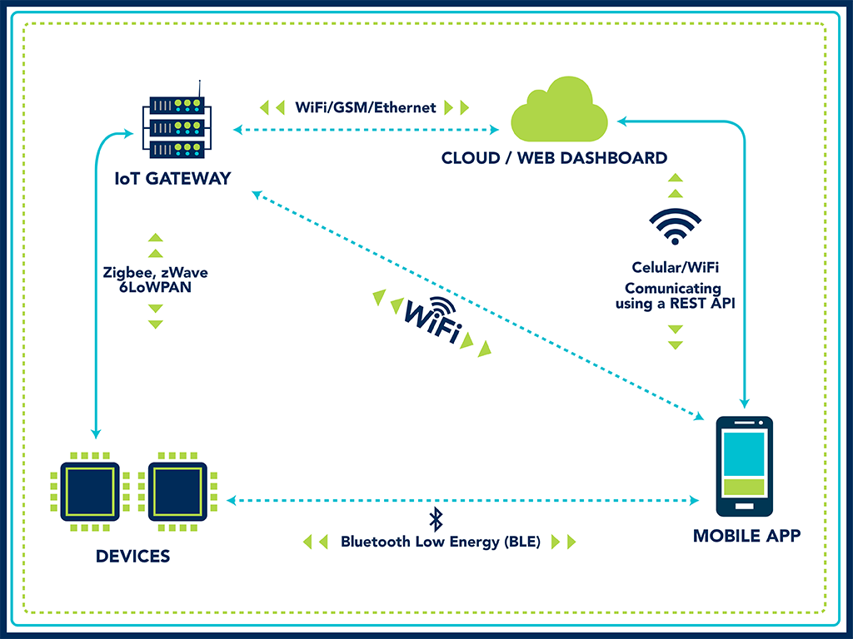

Tools you can use to draw architecture diagrams

Draw.Io online tool | draw.io
IriusRisk (start with free community edition then upgrade as necessary) | https://www.iriusrisk.com/threat-modeling-platform
Lucid Chart
Visio

